Benchmark Studies
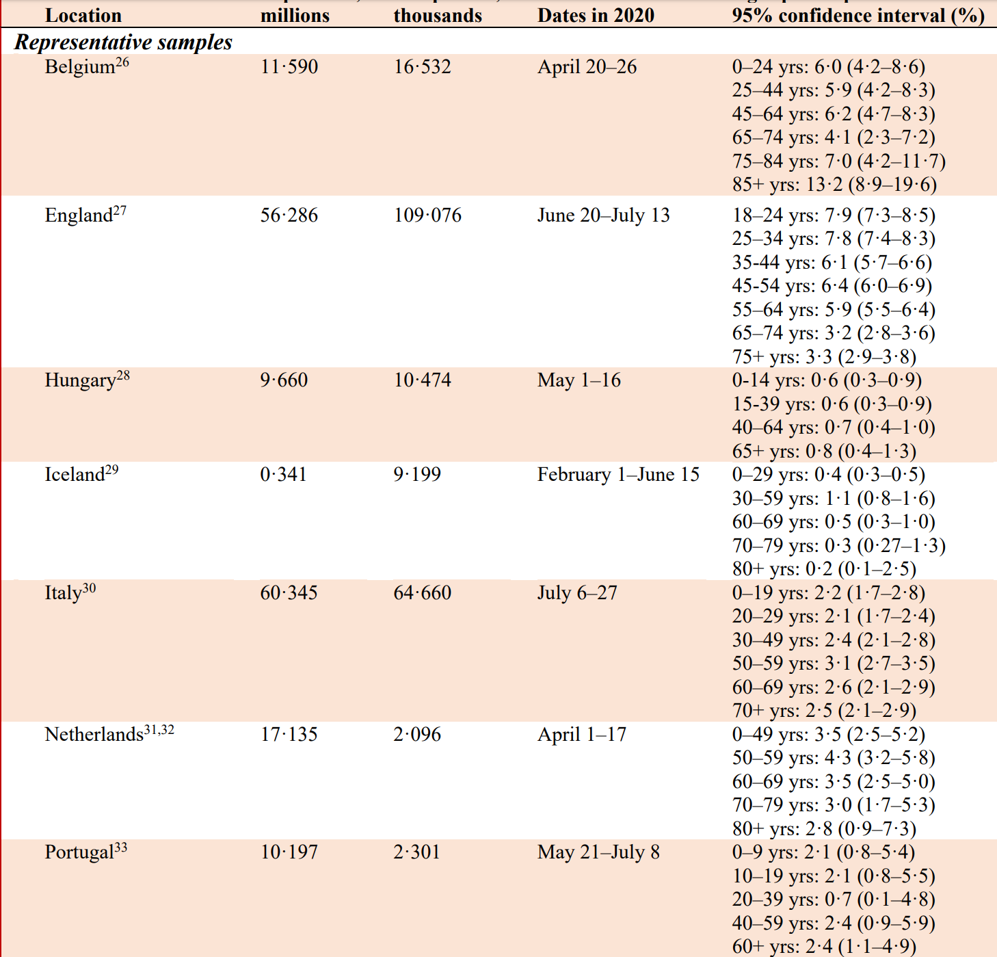
Study | AgeGroup | Median_Age | Population | InfectionRate | infrate_ci95_low | infrate_ci95_high | Deaths | IFR | ifr_ci95_low | ifr_ci95_high
Italy | 0-17 | 8.5 | 194,093 | 2.20 | 1.70 | 2.8
Italy | 18-34 | 26 | 220,075 | 2.10 | 1.70 | 2.4
Italy | 35-49 | 42 | 299,555 | 2.40 | 2.10 | 2.8
Italy | 50-59 | 55 | 295,405 | 3.10 | 2.70 | 3.5
Italy | 60-69 | 65 | 196,784 | 2.60 | 2.10 | 2.9
Italy | 70+ | 78 | 276,465 | 2.50 | 2.10 | 2.9

https://www.medrxiv.org/content/10.1101/2020.05.30.20117531v1.full.pdf |  |  |  |  |  |  | https://www.istat.it/it/files//2020/08/ReportPrimiRisultatiIndagineSiero.pdf
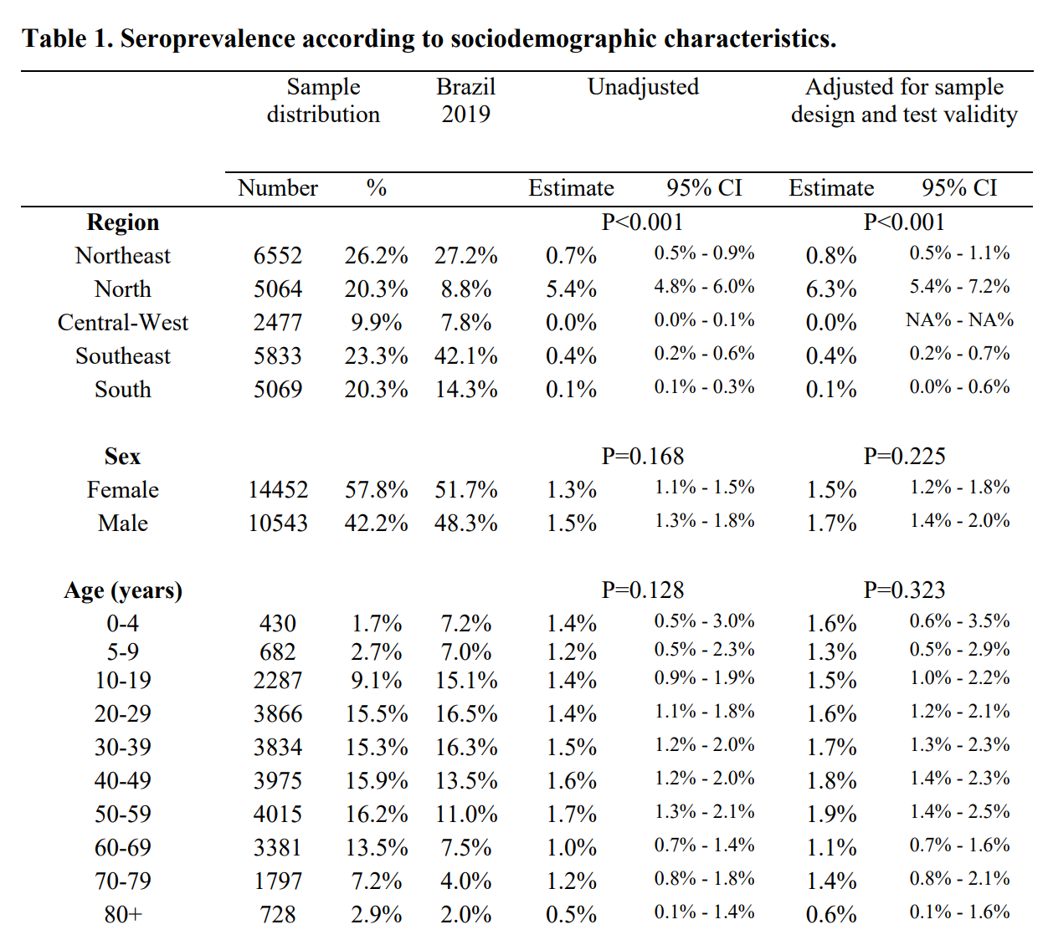
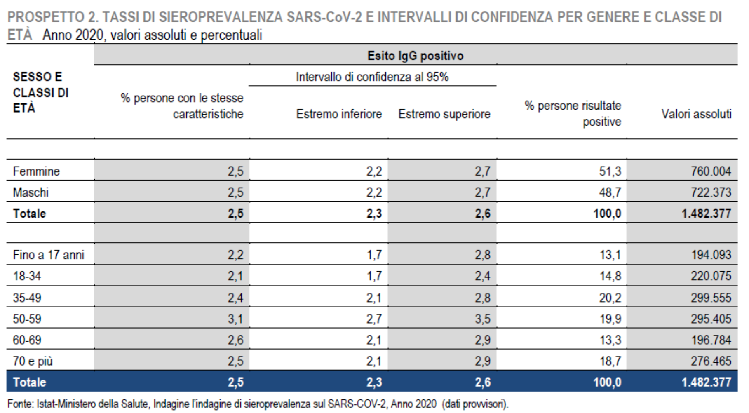

https://www.medrxiv.org/content/10.1101/2020.07.23.20160895v3.full.pdf

